R-VALUE CALCULATOR
 | R-Value Calculator (Version 03.23) |  |  |  |  | 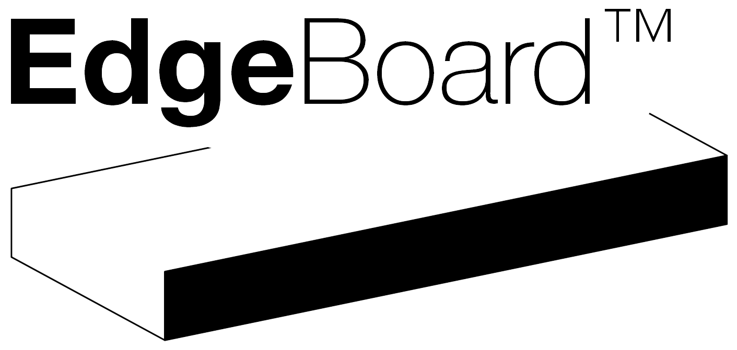

 | Client |  |  |  | Your Project is in
 |  | (optional)

 | Job Number |  |  |  | The Miniimum R-Value for this Climate Zone is
 |  | (optional) |  |  |  |  | m2KW-1

 | Address |  |  |  | Has a calculated Interior A/P Ratio of
 |  | (optional)

 | Local Authority
 | (click and select from dropdown) | * Required | 1 |  | The R-value for your selected solution is:
 |  |  |  |  |  |  | m2KW-1
 | Foundation Type
 | (click and select from dropdown) | * Required | 1
 |  |  |  |  | The thermal resistance for your selected solution satisfies the minimum schedule method R-value for the reference building.
 | Wall Type
 | (click and select from dropdown) | * Required | 1

 | Floor Area to INTERIOR Edge (m2)
 |  | * Required | 1

 | Perimeter Length to INTERIOR Edge (m)
 |  | * Required | 1

 | Heating Floor System
 | None |  | 0

 | Part of Perimeter without edge insulation (% of total Perimeter)

 | Insulation Configuration
 | (click and select from dropdown) | * Required | 1

 | Your selected solution is:

 | Notes
 | From time to time a revision of this tool may be released. Always check on www.edgeboard.co.nz the latest version before use.
 | In some respects, this drawing is to be considered an illustration. Always refer to product specifications, structural and architectural drawings for measurements and construction details.
 | This tool applies the methodology as described in the Building Code amendment H1 Energy Efficiency - 5th edition H1/AS1 and H1/VM1 for all housing and buildings up to 300 m2.
 | When foil insulation is used, the compliance with the NZBC is demonstrated via an alternative solution (ISO6946) as this product falls outside the scope of MBIE H1 Acceptable Solutions or Verification Methods.
 | In some respects, the drawings presented in this document are be considered an illustration and they are not intended to be used for construction.
 | This document shall be read in conjunction with the construction drawings produced by chartered professionals.

 | Disclaimer
 | Anyone who distributes this document must be a suitably qualified professional who agrees with this disclaimer.
 | The recommended solution provided with this report can be used as part of a Building Consent application, however, Green Building Solutions Limited (GBSL) accepts no liability for Building Code compliance or
 | thermal performance of the selected solution. GBSL also accepts on liability through misrepresentation of improper use of this tool to obtain or prove Building Code compliance.

 | I info@edgeboard.co.nz - c/o BDO WELLINGTON LIMITED, Level 1, 50 Customhouse Quay, Wellington, 6143 , New Zealand

0
0

1 | 1

 | #N/A |  | #N/A
 | #N/A |  | #N/A
 | #N/A | #N/A | #N/A

 | #N/A |  | #N/A
 | #N/A |  | #N/A
 | #N/A | #N/A | #N/A
 |  | #N/A

 | #N/A |  | #N/A
 | #N/A |  | #N/A
 | #N/A | #N/A | #N/A
 |  | #N/A

 | 90-140mm Timber Frame with Weatherboard Cladding |  |  | #N/A
 | 90-140mm Timber Frame with Brick Veneer |  |  | #N/A

 | 0
 | BLANK

